Application Screen
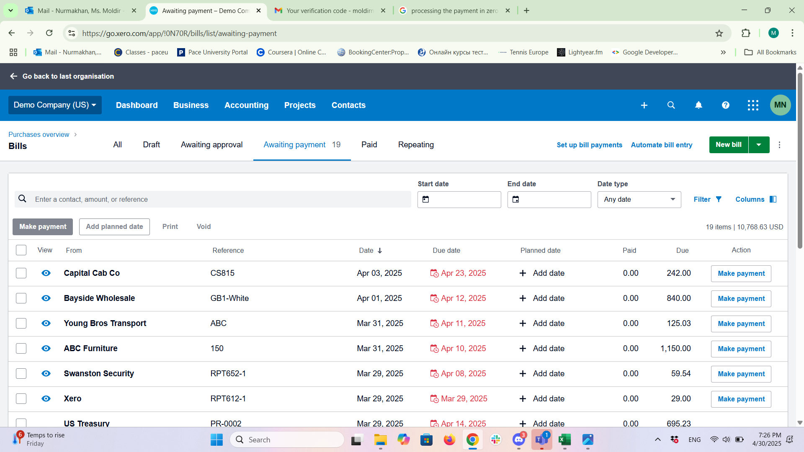
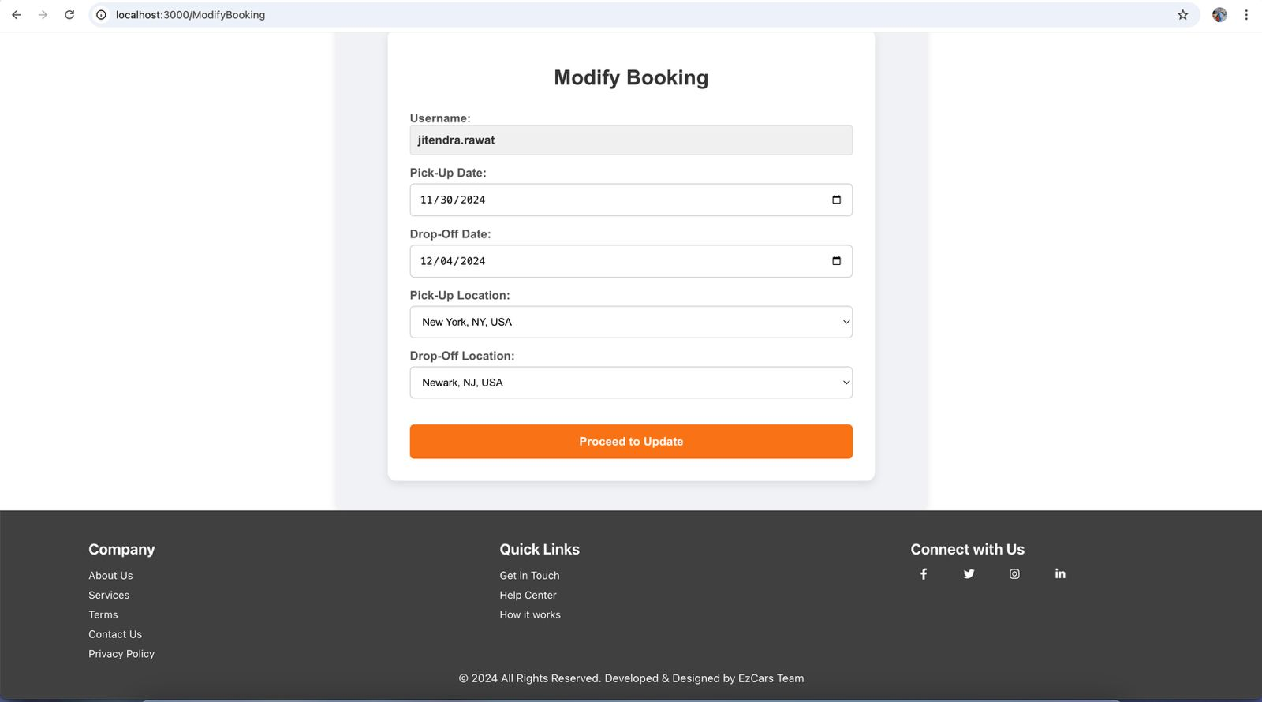

Test Case 8
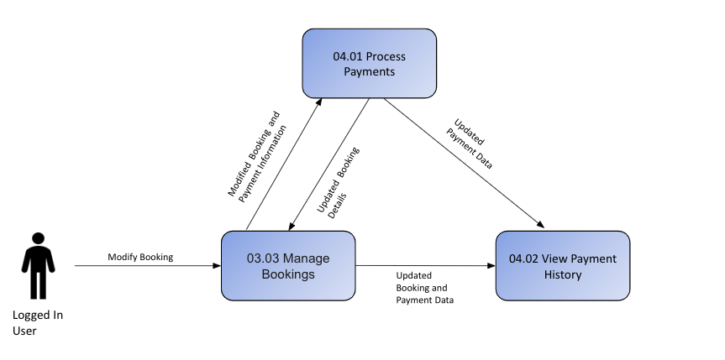
TC Title: | TC8. Field Validation Testing

TC Objective: | To validate that all form fields across relevant modules (like Bills, Expenses, Accounts, etc.) in Xero are properly validated for: Required input Format Length Data type Business rules Error messaging

TC Description
 | Step | Step Description | Expected Results
 | 1 | Required Field Validation | All required fields are validated before form submission.
 | 2 | Field Format Validation | Field formatting (e.g., email, date) follows standards.
 | 3 | Field Length Validation | Error messages are clear, actionable, and placed correctly.
 | 4 | Data Type Validation | System prevents incorrect data entry that could affect accounting/reporting.
 | 5 | Business Rule Validation | Conditional rules are triggered based on other field values.

